1. Title Page
[Grocery Basket Analysis]

Project Name: Grocery Basket Analysis:
“The Instacart Online Grocery Shopping Dataset 2017”, Accessed from www.instacart.com/datasets/grocery-shopping-2017 via Kaggle on [4/21/23].
Date: 5/18/23
Analyst Name: Chrisie Hunter

Contents:
Population Flow
Consistency checks
Wrangling steps
Column derivations
Visualizations
Recommendations

2. Population Flow
 |  |  | Title page

Population flow

Exclusion flag
Condition: max_order <
Obervations to be removed:
Final total count of order_products_all:

Orders_products_combined
Orders_products_merged
Orders_products_all

Total:
Total:
Total:
32434489 | 32434212 | 32434212

1.) The grey boxes in the first row of the population flow represent the original data sets as they were when you downloaded them. In the Total fields you need to add the count of the rows when you imported the data set into Jupyter.
2.) The second row of boxes (coloured) represents the data sets after you manipulated them, e.g., removed missing values and duplicates. In the Total fields you need to add the count of the rows after conducting these operations. This offers a visual oveview of how the data flows throughout the data consistency checks.
3.) The third row, where also the arrows are coloured, represents the merges you performed between the datasets. In the Total fields you need to add the count of the rows in the merged datasets, so that you end up with the final dataset (in the red box). Keep in mind the final dataset should be without exclusions (based on the exclusion flag).

3. Consistency checks
 |  |  |  |  | Title page
Consistency checks

Dataset | Missing values | Missing values treatment | Duplicates
orders | 206209 - days since prior | nothing done | no full duplicates | * see sheet labeled: MisData_days_since_prior_order - confirmed the data is missing because this was the first order by the customer.
products | 16 - product_name | filtered out | 5
orders_products_prior | 2078084/28171 | nothing done | no full duplicates
customers | first name - 11259 | nothing done | no full duplicates

4. Wrangling steps
 |  |  |  | Title page
Wrangling steps

Columns dropped | Columns renamed | Columns' type changed | Comment/Reason
Eval_set (orders) | order_dow (order_days_of_week) | order_number (to str) | made it user friendly
 | customer surname to Last name |  | made it user friendly
 | customer STATE to State | First Name (to str) | made it all 'string' instead of 'mixed'
First Name |  |  | Remove PII
Last Name |  |  | Remove PII

5. Column derivations
 |  |  |  | Title page

Column derivations and aggregations

In this tab you should add tables below that the frequences of flags/label variables that you produced after deriving them. NB: don't do this for continuous variables, only for flags.
Dataset | New column | Column/s it was derived from | Conditions
orders_products_merged | Busiest_days | orders_day_of_week | 0,1 = Busiest days; 3,4
 |  |  | Slowest days
orders_products_merged | busiest_period_of_day | order_hour_of_day | 10,11 = Most orders
 |  |  | 3,4 = Fewest orders
ords_prods_merge | max order | user_id
ords_prods_merge | loyalty_flag | max order | >40 = Loyal customer
 |  |  | <=40 & >=10 = reg cust
 |  |  | >10 = new customer
ords_prods_merge | Spending flag | prices | <10 = Low Spender
 |  |  | >= 10 = High Spender

ords_prods_merge | Frequency flag | days_since_prior_order | >20 = Non-frequent
 |  |  | >10 <= 20 = Regular
 |  |  | <=10 = Frequent

6. Visualizations
 |  |  |  |  |  |  |  |  |  | Title page

Visualisations

In this tab you should include all the visualtions from Exercises 4.9 and 4.10, alongside the questions from the project brief that they answer. Include any commentary on the relationship between different variables.

 |  |  | Orders by Day of Week |  |  |  |  | Order Frequency by Time of Day |  |  |  |  |  | Frequency of Items Purchased by Price |  |  |  |  |  |  | Department Frequency
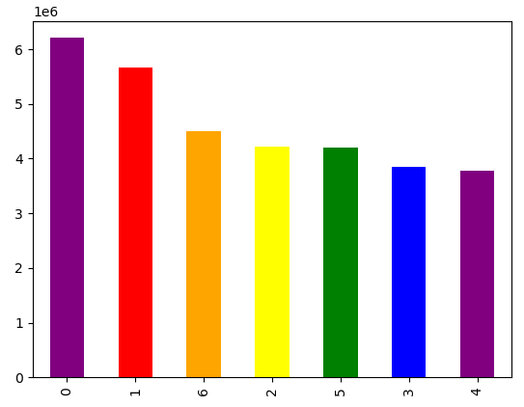

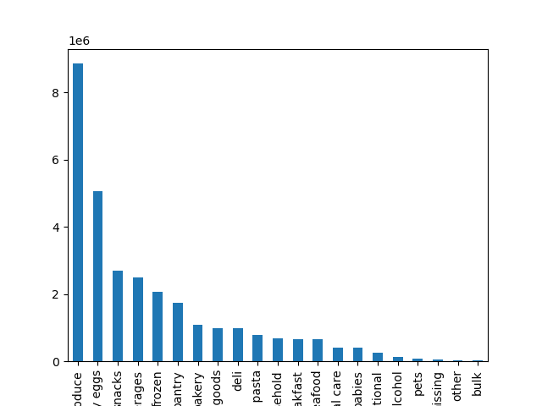


Saturday and Sunday have the highest frequency of orders for the week. Tuesday and Wednesday have the least |  |  |  |  |  | The histogram depicts that majority of orders are placed between the hours of 9 PM to 4 PM. There are very few orders placed between the early morning hours, up to about 7 am. In addiion, orders begin to taper off around 6 PM. |  |  |  |  |  | Majority of items purchased are less than $15 dollars.
 |  |  |  |  |  |  |  |  |  |  |  |  |  |  |  |  |  |  |  | Produce Dairy/eggs Snacks Beverages Frozen Pantry Bakery Dry goods Deli Pasta Household Personal Care Babies International Alcohol Pets Missing Other Bulk
 |  |  |  |  |  |  |  |  |  |  |  |  |  |  |  |  |  |  |  | The Produce department, followed by the Dairy/Egg department have the most orders, while bulk, pets, alcohol, and other have very few orders.


 |  |  | Prices by day of week |  |  |  |  |  | Prices by Hour of Day |  |  |  |  |  | Loyalty Bar Graph - Regular, Loyal, New
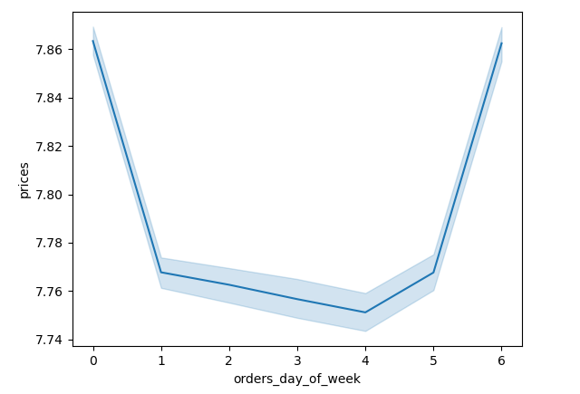
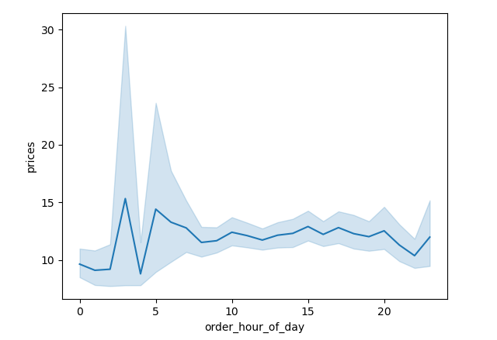

 |  |  |  |  |  |  |  |  |  |  |  |  | Regular Customers |  |  | Loyal Customers |  | New Customers
 | Friday and Saturday are when people tend to purchase higher priced products. |  |  |  |  |  | Interestingly, higher price items are purchased during the early morning hours, which is the slowest time for orders. From 10 am to 11 PM, order prices remain steady, with prices under $15 dollars. |  |  |  |  | Regular customers have the highest number of orders, followed by Loyal customers. As expected, New customers have the fewest orders placed. This shows that Instacart has many returning customers, suggesting brand loyalty for their shopping needs.

 |  |  | Age and Income |  |  |  |  |  | Age and # of dependants |  |  |  |  |  | Parent Profile
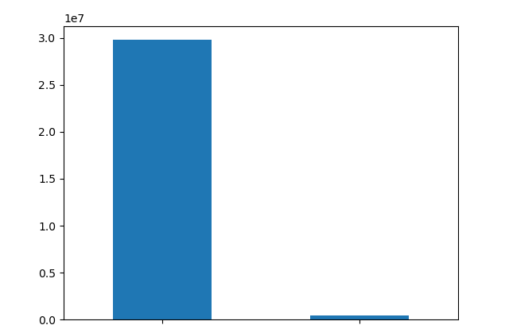

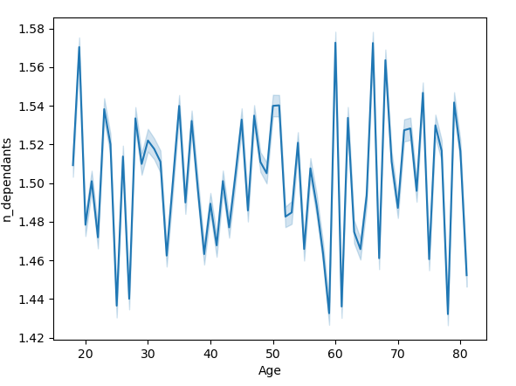

 |  |  |  |  |  |  |  |  |  |  |  |  | Non New Parent |  |  |  | New Parent

 | The scatterplot shows there is a possible connection between income and age. People between the ages of early 40s and 80s have higher income of $40,000 and higher. It appears the highest income is around $60,000 and is also distributed across the age groups mentioned. |  |  |  |  |  | The line chart depicts there is no correlation between age and family situation or number of dependants. |  |  |  |  | The bar chart depicts the Non New Parent VS New Parent users. Profile is based on the absence/presence of items from the "babies" department. As can be seen, there are not many users purchasing baby products through Instacart.

 |  |  |  | Pet Owner Profile |  |  |  |  | Alcohol Profile |  |  |  |  |  |  |  | Age Profile
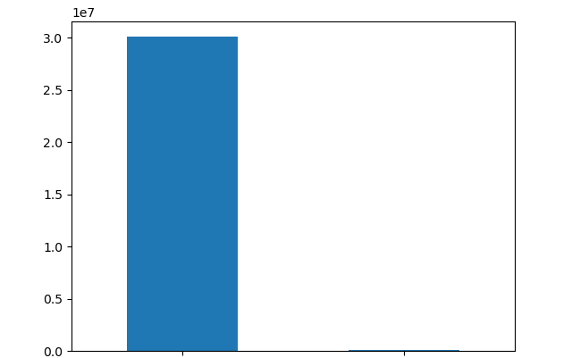

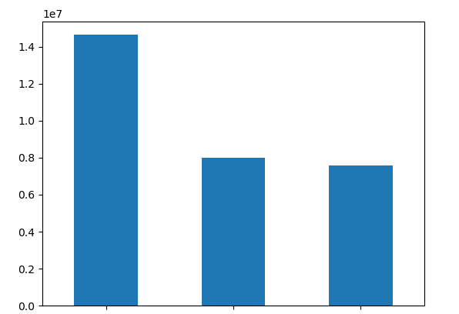

 |  |  | Non Pet Owner |  | Pet Owner |  |  | Non - Alcohol |  |  | Alcohol |  |  |  | Middle Age |  | Senior Citizen |  | Young Adult

 |  | The bar chart depicts the Non Pet VS Pet Owner users. Profile is based on the absence/presence of items from the "pet" department. As can be seen, there are not many users purchasing pet products through Instacart. |  |  |  |  | The bar chart depicts the Non Alcohol VS Alcohol users. Profile is based on the absence/presence of items from the "alcohol" department. As can be seen, there are not many users purchasing alcohol products through Instacart. |  |  |  |  |  |  | The bar chart depicts the distribution of age groups utilizing Instacart. There is most likely a correlation seen here with income.

Age Profile Purchasing Habits
 | Middle Age | Senior Citizen | Young Adult
alcohol | 67534 | 35293 | 36791
babies | 199303 | 104216 | 99547
bakery | 531843 | 289512 | 275244
beverages | 1218800 | 667447 | 621026
breakfast | 320475 | 172624 | 167370
bulk | 15744 | 8780 | 8317
canned goods | 474953 | 259659 | 247429
dairy eggs | 2449623 | 1339859 | 1278260
deli | 474908 | 258631 | 244511
dry goods pasta | 385408 | 211025 | 201250
frozen | 999066 | 548619 | 513198
household | 329137 | 181050 | 168109
international | 120434 | 65257 | 63031
meat seafood | 316125 | 176135 | 163473
missing | 30102 | 16286 | 16153
other | 16048 | 8666 | 8701
pantry | 839449 | 458987 | 433866
personal care | 201547 | 107774 | 102594
pets | 42586 | 24468 | 23290
produce | 4295270 | 2350914 | 2213763
snacks | 1308587 | 711539 | 679225
Regional Department Purchasing Habits
 | Midwest | Northeast | South | West
alcohol | 32892 | 24131 | 47077 | 35518
babies | 94027 | 71370 | 136961 | 100708
bakery | 255922 | 194897 | 363603 | 282177
beverages | 583238 | 451676 | 837804 | 634555
breakfast | 153432 | 116098 | 219840 | 171099
bulk | 7806 | 5482 | 10953 | 8600
canned goods | 230173 | 171517 | 327746 | 252605
dairy eggs | 1186211 | 895208 | 1687137 | 1299186
deli | 228200 | 173837 | 325082 | 250931
dry goods pasta | 187653 | 139489 | 264766 | 205775
frozen | 483916 | 359477 | 689662 | 527828
household | 161733 | 120839 | 222965 | 172759
international | 58854 | 43342 | 82329 | 64197
meat seafood | 153689 | 115205 | 217726 | 169113
missing | 15056 | 11104 | 21024 | 15357
other | 7737 | 6060 | 11273 | 8345
pantry | 408115 | 303923 | 575157 | 445107
personal care | 97377 | 72607 | 138471 | 103460
pets | 20748 | 17242 | 28896 | 23458
produce | 2080207 | 1554985 | 2955893 | 2268862
snacks | 629156 | 481100 | 894880 | 694215

 |  | Overall, the patterns are similar across the age profiles when it comes to what departments they order from. Middle Age customers purchase more dairy/eggs and produce than the other two customer profiles. Depending on the type of marketing strategy, there are a number of possiblities to increase or encourage purchasing across the age groups. |  |  |  |  | In terms of regional purchasing habits, there are no differences between regions. In addition, it mirrors the purchasing habits of the age profiles.

7. Recommendations
 |  |  |  |  |  | Title page

Recommendations

In this tab you should include any recommendations you would made to Instcart in terms of their marketing strategy based on the questions posed in the brief. Every key question has been covered in the Tasks of the Exercises - here you need to add an item - a visualisation or table/crosstable that is showing the answer in the data, acompanied by a comment from you. Please, list the questions below and add the answer underneath.

Question |  |  |  |  |  |  |  | Department Frequency
Key Question 1 | Are there certain types of products more popular than others?
Answer | The Produce department, followed by the Dairy/Egg department have the most orders, while bulk, pets, alcohol, and other have very few orders. The lowest ranked departments should be the focus of the sales and marketing team to increase sales.

 |  | Produce Dairy/eggs Snacks Beverages Frozen Pantry Bakery Dry goods Deli Pasta Household Personal Care Babies International Alcohol Pets Missing Other Bulk

Key Question 2 | What is the distribution among users in regards to their brand loyalty? |  |  |  | Loyalty Bar Graph - Regular, Loyal, New
Answer | Regular customers have the highest number of orders, followed by Loyal customers. As expected, New customers have the fewest orders placed. This shows that Instacart has many returning customers, suggesting brand loyalty for their shopping needs. Continue to encourage new customers, as many who join continue to utilize the service.

 |  |  |  |  |  | Prices by Hour of Day |  |  |  |  |  | Order Frequency by Time of Day

Key Question 3 | Are there particular times of the day when people spend the most money?
Answer | Interestingly, higher price items are purchased during the early morning hours, which is the slowest time for orders. From 10 am to 11 PM, order prices remain steady, with prices under $15 dollars. In order to increase sales of higher price items, marketing should focus on the time frame of 10 am to 11 PM, which mostly coincide with peak hours of orders (9 am - 4 PM).

Key Question 4 | Are there differences in ordering habits based on a customer's region? |  |  | Midwest | % of Customers | Northeast | % of Customers | South | % of Customers | West | % of Customers
Answer | Proportionally, there is no difference in spending patterns for High Spenders across regions. There are more Low Spenders in the South and West regions. In terms of regions in general, here is the ranking of regions from most orders to least: Midwest, Northeast, South, and West. Marketing could target the customers in the South and West to encourage spending, to either become a regular spender or high spender. |  | High Spender | 1273 | 0.01 | 917 | 0.01 | 1793 | 0.02 | 1392 | 0.02
 |  |  | Low Spender | 47408 | 0.43 | 35136 | 0.42 | 66226 | 0.87 | 52064 | 0.9
 |  |  | Total Customers by Region | 7603810 | 23.44 | 5728347 | 17.66 | 10801610 | 33.3 | 8300445 | 25.59

 |  |  |  |  | Age and # of dependants
Key Question 5 | Is there a connection between age and family status in terms of ordering habits?
Answer | The line chart depicts there is no correlation between age and family situation or number of dependants.

Key Question 6 | What different classifications does the demographic information suggest? |  |  |  |  | Age and Income |  |  |  |  |  |  | Age Profile
Answer | The scatterplot shows there is a possible connection between income and age. People between the ages of early 40s and 80s have higher income of $40,000 and higher. It appears the highest income is around $60,000 and is also distributed across the age groups mentioned. This is also suggested by the distribution within the age profile created, as displayed in the bar chart. Marketing could attempt to attract younger adults through monetary incentives to try the service. It is possible that once they utilize the service, they may see the benefit of allocating funds to continue the service.

 |  |  |  |  |  |  |  |  |  |  | Middle Age |  | Senior Citizen | Young Adult

Age Profile Purchasing Habits
 | Middle Age | Senior Citizen | Young Adult
alcohol | 67534 | 35293 | 36791
babies | 199303 | 104216 | 99547
bakery | 531843 | 289512 | 275244
beverages | 1218800 | 667447 | 621026
breakfast | 320475 | 172624 | 167370
bulk | 15744 | 8780 | 8317
canned goods | 474953 | 259659 | 247429
dairy eggs | 2449623 | 1339859 | 1278260
deli | 474908 | 258631 | 244511
dry goods pasta | 385408 | 211025 | 201250
frozen | 999066 | 548619 | 513198
household | 329137 | 181050 | 168109
international | 120434 | 65257 | 63031
meat seafood | 316125 | 176135 | 163473
missing | 30102 | 16286 | 16153
other | 16048 | 8666 | 8701
pantry | 839449 | 458987 | 433866
personal care | 201547 | 107774 | 102594
pets | 42586 | 24468 | 23290
produce | 4295270 | 2350914 | 2213763
snacks | 1308587 | 711539 | 679225
Regional Department Purchasing Habits
 | Midwest | Northeast | South | West
alcohol | 32892 | 24131 | 47077 | 35518
babies | 94027 | 71370 | 136961 | 100708
bakery | 255922 | 194897 | 363603 | 282177
beverages | 583238 | 451676 | 837804 | 634555
breakfast | 153432 | 116098 | 219840 | 171099
bulk | 7806 | 5482 | 10953 | 8600
canned goods | 230173 | 171517 | 327746 | 252605
dairy eggs | 1186211 | 895208 | 1687137 | 1299186
deli | 228200 | 173837 | 325082 | 250931
dry goods pasta | 187653 | 139489 | 264766 | 205775
frozen | 483916 | 359477 | 689662 | 527828
household | 161733 | 120839 | 222965 | 172759
international | 58854 | 43342 | 82329 | 64197
meat seafood | 153689 | 115205 | 217726 | 169113
missing | 15056 | 11104 | 21024 | 15357
other | 7737 | 6060 | 11273 | 8345
pantry | 408115 | 303923 | 575157 | 445107
personal care | 97377 | 72607 | 138471 | 103460
pets | 20748 | 17242 | 28896 | 23458
produce | 2080207 | 1554985 | 2955893 | 2268862
snacks | 629156 | 481100 | 894880 | 694215
Key Question 7 | What differences can you find in ordering habits of different customers?
Answer | Overall, the patterns are similar across the age profiles when it comes to what departments they order from. Middle Age customers purchase more dairy/eggs and produce than the other two customer profiles. Depending on the type of marketing strategy, there are a number of possiblities to increase or encourage purchasing across the age groups. In terms of regional purchasing habits, there are no differences between regions. In addition, it mirrors the purchasing habits of the age profiles.

Dept_Age Crosstab
Age Profile | alcohol | babies | bakery | beverages | breakfast | bulk | canned goods | dairy eggs | deli | dry goods pasta | frozen | household | international | meat seafood | missing | other | pantry | personal care | pets | produce | snacks
Middle Age | 67534 | 199303 | 531843 | 1218800 | 320475 | 15744 | 474953 | 2449623 | 474908 | 385408 | 999066 | 329137 | 120434 | 316125 | 30102 | 16048 | 839449 | 201547 | 42586 | 4295270 | 1308587
Senior Citizen | 35293 | 104216 | 289512 | 667447 | 172624 | 8780 | 259659 | 1339859 | 258631 | 211025 | 548619 | 181050 | 65257 | 176135 | 16286 | 8666 | 458987 | 107774 | 24468 | 2350914 | 711539
Young Adult | 36791 | 99547 | 275244 | 621026 | 167370 | 8317 | 247429 | 1278260 | 244511 | 201250 | 513198 | 168109 | 63031 | 163473 | 16153 | 8701 | 433866 | 102594 | 23290 | 2213763 | 679225

Age Profile Purchasing Habits

Reg_Dept_Crosstab
 | alcohol | babies | bakery | beverages | breakfast | bulk | canned goods | dairy eggs | deli | dry goods pasta | frozen | household | international | meat seafood | missing | other | pantry | personal care | pets | produce | snacks
Midwest | 32892 | 94027 | 255922 | 583238 | 153432 | 7806 | 230173 | 1186211 | 228200 | 187653 | 483916 | 161733 | 58854 | 153689 | 15056 | 7737 | 408115 | 97377 | 20748 | 2080207 | 629156
Northeast | 24131 | 71370 | 194897 | 451676 | 116098 | 5482 | 171517 | 895208 | 173837 | 139489 | 359477 | 120839 | 43342 | 115205 | 11104 | 6060 | 303923 | 72607 | 17242 | 1554985 | 481100
South | 47077 | 136961 | 363603 | 837804 | 219840 | 10953 | 327746 | 1687137 | 325082 | 264766 | 689662 | 222965 | 82329 | 217726 | 21024 | 11273 | 575157 | 138471 | 28896 | 2955893 | 894880
West | 35518 | 100708 | 282177 | 634555 | 171099 | 8600 | 252605 | 1299186 | 250931 | 205775 | 527828 | 172759 | 64197 | 169113 | 15357 | 8345 | 445107 | 103460 | 23458 | 2268862 | 694215
Regional Department Purchasing Habits

